Summary and Charts
Statistics | Charts | Trades | Formula | Settings | Symbols | Monte Carlo |  |  |  | 1. Portfolio Equity

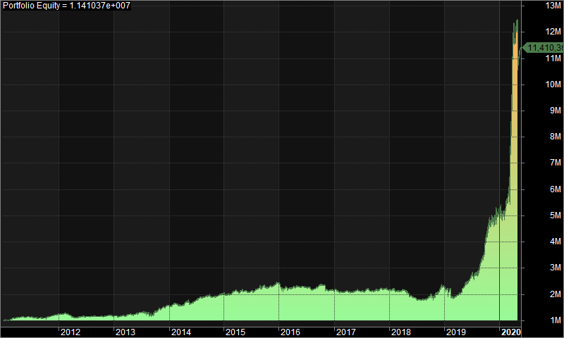
Statistics
 | All trades | Long trades | Short trades
Initial capital | 1000000 | 1000000 | 1000000
Ending capital | 11410364.58 | 1000000 | 11410364.58
Net Profit | 10410364.58 | 0 | 10410364.58
Net Profit % | 1041.04% | 0.00% | 1041.04%
Exposure % | 4.25% | 0.00% | 4.25%
Net Risk Adjusted Return % | 24475.15% | N/A | 24475.15%
Annual Return % | 29.54% | 0.00% | 29.54%
Risk Adjusted Return % | 694.56% | N/A | 694.56%
Total transaction costs | 2711507.15 | 0 | 2711507.15

All trades | 1402 | 0 (0.00 %) | 1402 (100.00 %)
Avg. Profit/Loss | 7425.37 | N/A | 7425.37
Avg. Profit/Loss % | 3.76% | N/A | 3.76%
Avg. Bars Held | 117.65 | N/A | 117.65

Winners | 676 (48.22 %) | 0 (0.00 %) | 676 (48.22 %)
Total Profit | 25817893.46 | 0 | 25817893.46
Avg. Profit | 38192.15 | N/A | 38192.15
Avg. Profit % | 38.76% | N/A | 38.76%
Avg. Bars Held | 177.93 | N/A | 177.93
Max. Consecutive | 8 | 0 | 8
Largest win | 1822117.02 | 0 | 1822117.02
# bars in largest win | 300 | 0 | 300 | 2. Underwater Equity

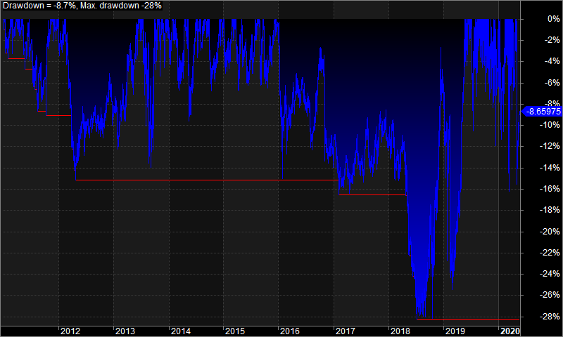
Losers | 726 (51.78 %) | 0 (0.00 %) | 726 (51.78 %)
Total Loss | -15407528.88 | 0 | -15407528.88
Avg. Loss | -21222.49 | N/A | -21222.49
Avg. Loss % | -28.84% | N/A | -28.84%
Avg. Bars Held | 61.51 | N/A | 61.51
Max. Consecutive | 11 | 0 | 11
Largest loss | -1467708.54 | 0 | -1467708.54
# bars in largest loss | 228 | 0 | 228

Max. trade drawdown | -1656811.01 | 0 | -1656811.01
Max. trade % drawdown | -99.12 | 0 | -99.12
Max. system drawdown | -1940442.05 | 0 | -1940442.05
Max. system % drawdown | -28.32% | 0.00% | -28.32%
Recovery Factor | 5.36 | N/A | 5.36
CAR/MaxDD | 1.04 | N/A | 1.04
RAR/MaxDD | 24.52 | N/A | 24.52
Profit Factor | 1.68 | N/A | 1.68
Payoff Ratio | 1.8 | N/A | 1.8
Standard Error | 1236924.01 | 0 | 1236924.01
Risk-Reward Ratio | 0.28 | N/A | 0.28
Ulcer Index | 9.66 | 0 | 9.66
Ulcer Performance Index | 2.5 | N/A | 2.5
Sharpe Ratio of trades | 1.02 | 0 | 1.02
K-Ratio | 0 | N/A | 0 | 3. Profit Table

 |  |  |  | Year | Jan | Feb | Mar | Apr | May | Jun | Jul | Aug | Sep | Oct | Nov | Dec | Yr%
 |  |  |  | 2011 | 1.30% | 5.50% | 4.80% | 1.30% | 0.50% | 0.30% | -1.60% | -0.80% | -1.00% | 3.80% | 5.80% | 3.20% | 25.40%
 |  |  |  | 2012 | 0.60% | -0.10% | -9.70% | -1.60% | 3.80% | -0.80% | 1.70% | -0.10% | -1.20% | 0.90% | 3.20% | -2.80% | -6.50%
 |  |  |  | 2013 | -3.00% | 5.30% | 1.20% | 1.50% | 4.50% | 2.50% | -0.30% | -5.60% | 9.20% | 8.70% | 3.50% | 3.80% | 35.00%
 |  |  |  | 2014 | 2.30% | 0.20% | -1.20% | 7.60% | -4.50% | 7.40% | 7.90% | 0.50% | 1.00% | -0.40% | 0.50% | 3.90% | 27.40%
 |  |  |  | 2015 | -1.80% | 5.00% | 2.00% | 1.00% | 0.30% | -1.80% | 4.50% | 3.00% | -0.50% | 1.00% | 2.60% | 4.60% | 21.60%
 |  |  |  | 2016 | -9.60% | -2.40% | 4.20% | 1.70% | -0.70% | -0.70% | -0.80% | -1.50% | 6.20% | 0.60% | -8.70% | 0.40% | -11.70%
 |  |  |  | 2017 | -2.00% | -1.50% | 2.10% | -1.70% | 2.30% | -1.70% | 2.50% | -1.50% | 0.40% | 2.00% | 1.00% | -1.30% | 0.30%
 |  |  |  | 2018 | 2.40% | -3.10% | 0.70% | -2.40% | -8.00% | -5.90% | -2.50% | 1.30% | 7.20% | 0.00% | 9.50% | 9.10% | 6.80%
 |  |  |  | 2019 | -9.20% | -11.70% | 6.30% | 12.60% | 12.30% | 7.20% | 3.50% | 17.80% | 21.00% | 23.10% | -3.60% | 7.90% | 118.30%
 |  |  |  | 2020 | 1.90% | 12.00% | 102.90% | 5.00% | -7.30% | N/A | N/A | N/A | N/A | N/A | N/A | N/A | 125.70%
 |  |  |  | Avg | -1.70% | 0.90% | 11.30% | 2.50% | 0.30% | 0.70% | 1.70% | 1.50% | 4.70% | 4.40% | 1.50% | 3.20%

